Sheet1
RoboRIO Location Layout

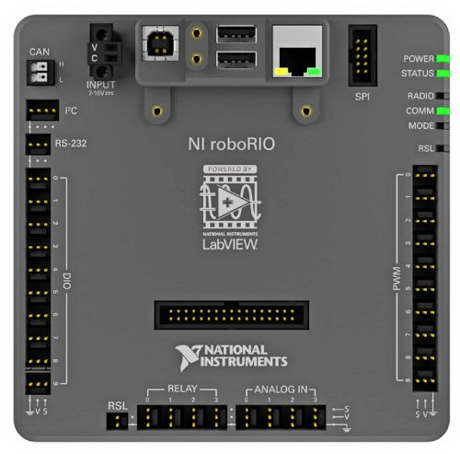
Information
Use this layout to label what pins are occupied by the component
 |  |  |  | SPI

I2C

RS-232

Digital In/Out |  |  |  | PWM

Notes
 | Signal Light

 |  | Relay Out | Analog In

